Template 1 - Dictionary
Expected steps:
Expected steps:
2) Teacher chooses the words/phrases she wishes to discuss.
3) Once teacher submits, she will have a series of slides. Each slide will have the word, its meaning and the example sentence. Voiceover will be available.
4) Teacher can go next after discussing each slide. Teacher can also go back to the main list if she wants to select a new set of words.

Note: A similar template exists in Early Edge. (See screenshots) Only difference is that we may or may not have images on all screens. Even if we provision for an image, it should be a smaller space.
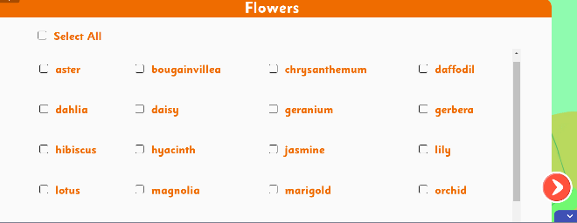
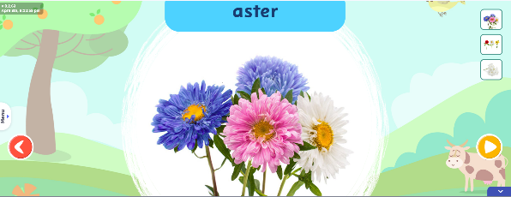

Content
I Text | Choose one or more words and click 'Next'.
Word/Phrase | Meaning | Example Sentence
large tracts of land | large areas of land | After his grandmother passed away, she left him large tracts of land in their village.
landlord | person who owns and rents out land/property | The landlord collects rent from the tenants on the fifth of every month.
potion | a liquid with magical properties | The witch in the story claimed that her potion could make anyone invisible.
give up | stop trying | Even though the puzzle was difficult, Sarah refused to give up until she solved it.
followers | people who believe in and follow someone | The guru's followers gathered around him eagerly as he began singing.
sage | wise spiritual person | The old sage lived in the mountain temple and gave advice to villagers.
not believing one's luck | surprised by good fortune | When Avi won the first prize,she stood there not believing her luck.
dew | small drops of water on leaves that form during night | Early morning walkers saw sparkling dew on the grass.
chant | to repeat or sing a word or phrase | The monks would chant prayers every morning at sunrise.
tended | looked after, cared for | Maya tended her garden daily, watering each plant carefully.
over the years | as time passed | Over the years, the small shop grew into a large supermarket.
vessel | container | She kept water in a clay vessel to keep it cool.
sprinkled | scattered drops of liquid | The gardener sprinkled water on the delicate seedlings.
muttered | spoke in a low voice | "I can't find my keys," he muttered to himself while searching his pockets.
precious | valuable | The old family photograph was precious to her.
stacks | neatly piled items | There were stacks of books on the librarian's desk.
to his surprise | unexpectedly | To his surprise, everyone remembered his birthday.
wisdom | deep understanding | The grandfather shared his wisdom about life with his grandchildren.

Template 3 - FIB
Expected steps:
1) Teacher launches asset.
2) The first slide will have a list of words and their meanings. (Between 5-7 words and their meanings). VO button to be provided for each word and its meaning. Teacher can play if needed or will discuss herself.
3) Teacher clicks 'Practice'.
4) An FIB exercise will play. Sentences with blanks will appear. The correct word or phrase needs to be chosen from the given help box. VO button to be provided for each sentence.

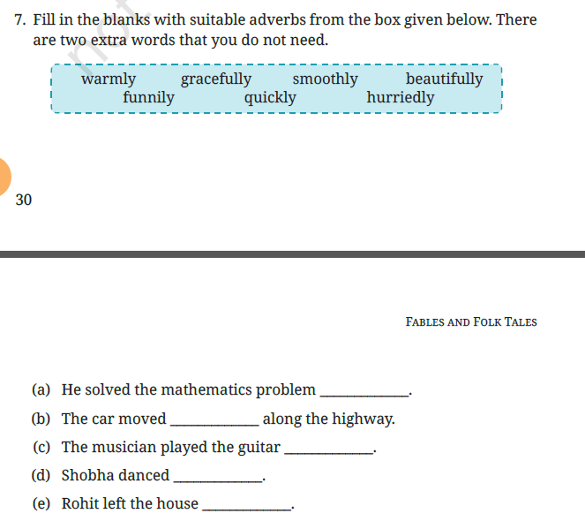
I text | Read the words and their meanings. Click 'Practice' when you are ready.
Word/Phrase | Meaning
landlord | person who owns and rents out land/property
potion | a liquid with magical properties
give up | stop trying
over the years | as time passed
vessel | container
precious | valuable
stacks | neatly piled items

FIB
I text | Choose the correct word or phrase to fill in the blanks.
(a) | The ______________ collects rent from the tenants on the fifth of every month.
(b) | The witch in the story claimed that her __________ could make anyone invisible.
(c) | Even though the puzzle was difficult, Sarah refused to__________ until she solved it.
(d) | ______________, the small shop grew into a large supermarket.
(e) | She kept water in a clay ___________ to keep it cool.
(f) | The old family photograph was ____________ to her.
(g) | There were ___________ of books on the librarian's desk.

